2024 data period
Maine DEP Lake Scorecard
Square Pond
Data period | 2024

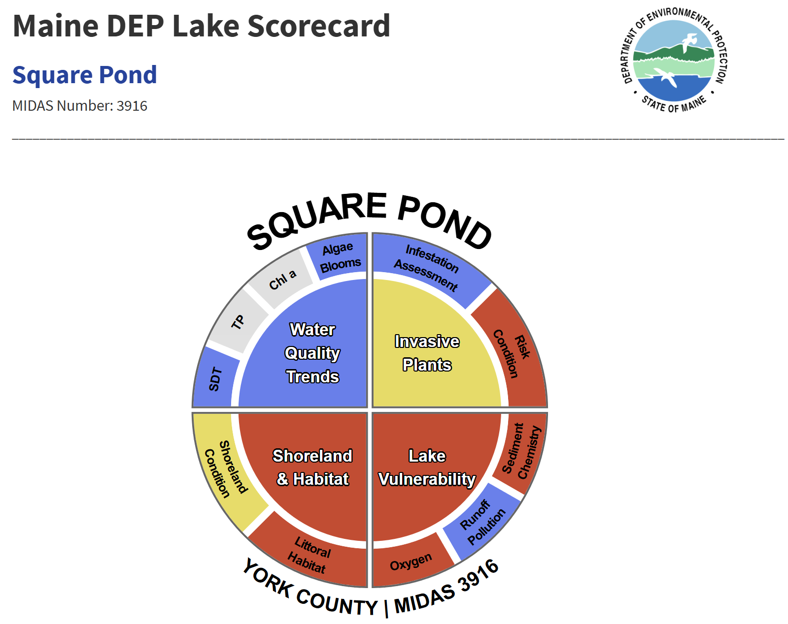

The interactive scorecard image above summarizes many types of lake data into one color-coded graphic. The four main quadrants in the middle of the scorecard reflect the overall condition of the lake in four major categories: water quality trends, invasive plants, shoreland and habitat, and lake vulnerability.
The color is indicative of an overall condition assessment of each category: blue = Good, yellow = Fair, and red = Poor/At Risk. Each of the four major category assessments are based on scores of the sub-categories in the corresponding outer rim of the scorecard. Measurements that do not have enough data to make an assessment are displayed in grey (Table 1).
Hover over each section of the image to see a pop-up message that briefly explains why Square Pond scored a certain way. Click on any section to learn more about each parameter and how it was scored. Explore the links to the left for more information about each parameter, and why Square Pond scored the way it did for each category and sub-category.
Data period: through 2024

Table 1: General scorecard condition descriptions for the four categories.
Condition Category | Water Quality Trends | Invasive Plants | Shoreland & Habitat | Lake Vulnerability
Good | Available data indicate that water quality is stable or improving | The lake may be at a reduced risk for a new aquatic invasive plant infestation | Shoreland and littoral habitat are likely only minimally impacted by shoreland activities | The lake may be less vulnerable to water quality changes than other lakes
Fair | Available data indicate that water quality may be declining | The lake may be at a moderate risk for a new aquatic invasive plant infestation | Shoreland and littoral habitat are likely moderately impacted by shoreland activities | The lake may be moderately vulnerable to water quality changes
Poor/At Risk | Available data indicate that water quality may be strongly declining | The lake may be at a higher risk for a new aquatic invasive plant infestation | Shoreland and littoral habitat are likely heavily impacted by shoreland activities | The lake may be highly vulnerable to water quality changes
Unknown | There isn’t enough information available to determine Water Quality Trends | There isn’t enough information to determine the threat of a new aquatic plant infestation due to lack of available data. | There isn’t enough information to determine the condition of the shoreland and littoral habitat due to lack of available data | There isn’t enough information to determine the vulnerability of the lake to water quality changes due to lack of data

For general information about Square Pond, click here.

The data and methods used to create the condition categories contained in the Maine DEP Lake Scorecard are explained below. If you have questions about the Scorecard, please contact us at this address: mainedeplakescorecard@maine.gov.

There are many ways that you can get involved to promote the health of Square Pond. See the Get Involved section for a list ways to take an active role in the condition of Square Pond.

Water Quality
Square Pond Water Quality: Results
Water Quality Trend Results
Long-term Secchi Disk Transparency (SDT), total phosphorus (TP), and Chlorophyll-a data are used to determine if the trophic state of a lake may be changing. Long-term trends may be calculated if there are at least 10 years of data collected within the last 30 years (1993-2022). These trend test results were used to inform the Water Quality Trends scores in the Maine Lake Scorecard. The results of trend tests are presented here if there have been enough data collected from Square Pond for any of these three parameters.
The Maine Department of Environmental Protection uses Mann-Kendall tau (τ) trend tests on these data to test for significantly changing conditions. The tau value is a measure of trend direction and magnitude. Positive tau values indicate positive (upward) trends, negative tau values indicate negative (downward) trends. Values further from zero (closer to -1 or 1) indicate a stronger trend. Tau values less than -0.5 or more than 0.5 here suggest the trophic state of a lake may be changing. Trends with p-values less than 0.05 indicate statistically significant trends.
It’s important to note that what is presented here represents trends in lake water quality data, not a measure of current condition. For example, a lake flagged in red for “Poor/At Risk” does not necessarily mean it is experiencing harmful algae blooms; it means that a declining trend in water quality is evident in the data record.
Click here to learn more about how the Maine Department of Environmental Protection uses trend test results to evaluate lakes as part of the Maine water quality standard review process.

To learn more about how Water Quality Trend data are collected and analyzed, click here.

Secchi Disk Transparency data for Square Pond shows that the trend is stable or too variable to detect trend, which places Square Pond in the Good category for water clarity:
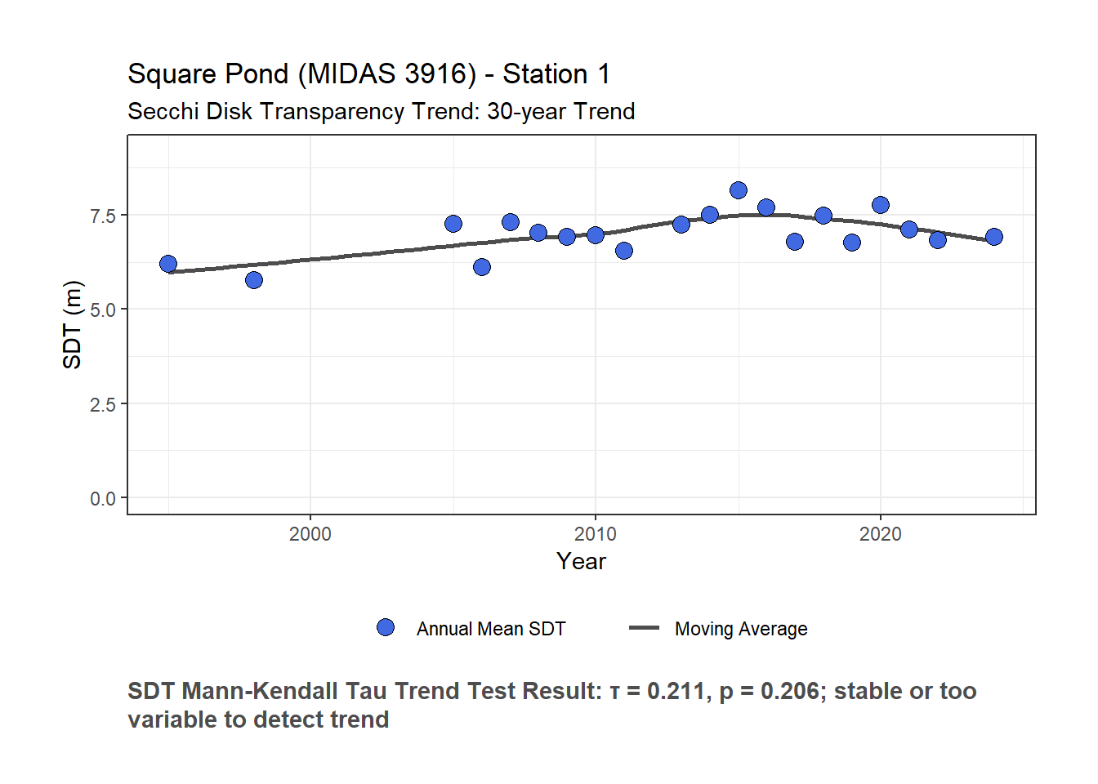

There are not enough data to perform trend tests for total phosphorus or chlorophyll for Square Pond. See the Get Involved section and the links below for more information on how you can help gather data to help determine the water quality condition and trends for Square Pond.
Algae Bloom Results
For the Algae Bloom subcategory, a minimum of 10 years of data is required to make an evaluation. If a lake has no algae blooms on record, the lake is scored as “Good”. If there is evidence that a lake has had occasional algae blooms (defined as blooms in less than half of the years with recorded data), the lake receives a “Fair” evaluation. If the lake has documented algae blooms for more than half of the years on record, it is placed in the “Poor/At Risk” category.
The occurrence of algae blooms is based on Secchi Disk Transparency (SDT) readings. If a SDT value is less than 2.0 meters, it is considered a bloom (although exceptions can occur). The data from Square Pond are represented in the plot below; any SDT readings indicative of an algae bloom will be above the green horizontal line at 2.0 meters and the points will be colored bright green. Note that the vertical axis in this plot is reversed, so that the top of the plot represents the surface of the lake.
To learn more about how Algae Bloom data are collected and analyzed, click here.

Square Pond has had observed blooms in 0 out of 20 years of data. It has no algae blooms on record. This puts Square Pond in the Good category for Algae Blooms.
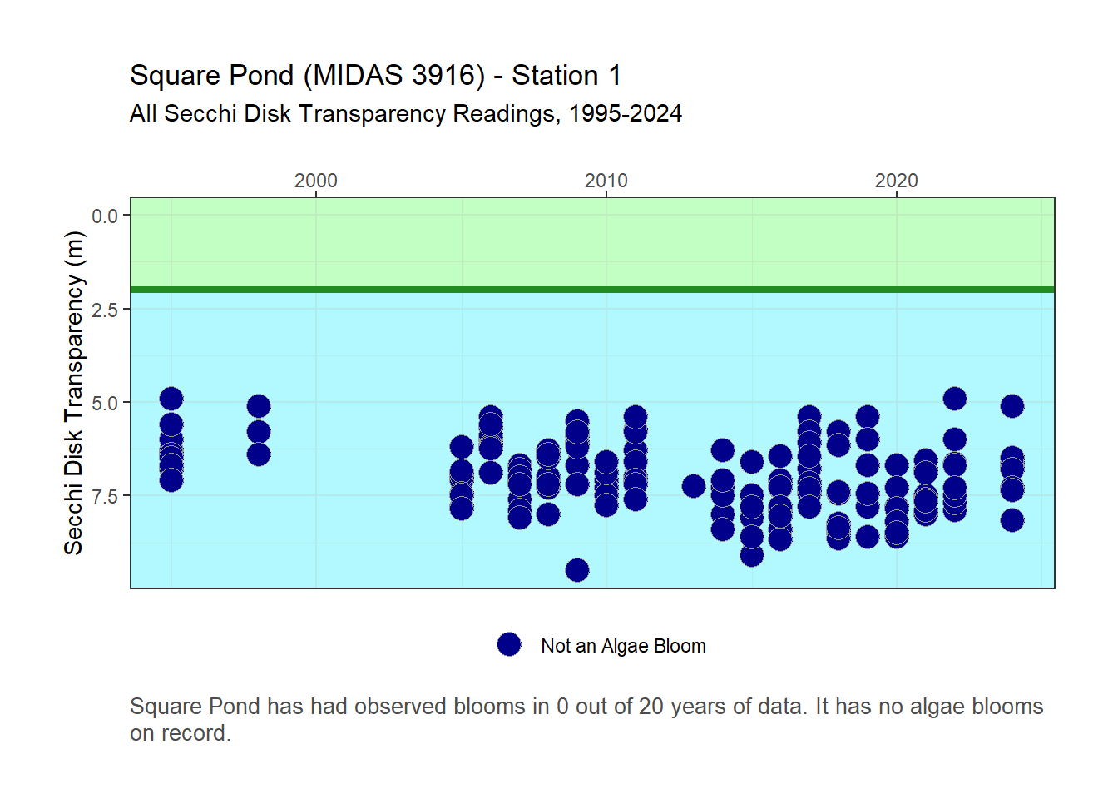
Square Pond Water Quality: Total Score

Total score: The Water Quality Trend inner quadrant category is scored as an average of scores from the four sub-categories (Good = 1, Fair = 2, Poor/At Risk = 3; Table 2), as long as there is a minimum of two sub-categories with data. See the calculation for Square Pond in Table 3.
Table 2: Total Water Quality Category Scores
Overall Category | Average Score
Assessment | of sub-categories
Good | 1
Fair | 2026-01-02
Poor | 2026-02-03
Unknown | Not enough data

Square Pond Water Quality Trend Score Calculation:
Table 3: Calculation for Square Pond Water Quality Trend metrics.
Parameter | score
Secchi Disk Transparency | 1
Total Phosphorus | Unknown
Chlorophyll-a | Unknown
Algae Blooms | 1
Average Water | 1
Quality Trend Score

The average Water Quality Trend score for Square Pond is 1, which places it in the Good category.

You can help strengthen these datasets and fill in gaps in the information we have for Square Pond. Start by clicking here for information on how you can help collect data, and see the Get Involved section to explore other opportunities to take an active role in the condition of Square Pond.
How Water Quality Scores were Calculated

Water Quality Trend Score Calculations
Water Quality Trend scores are based on changes in lake condition over time (TP = Total Phosphorus, Chl-a = Chlorophyll-a, SDT = Secchi Disk Transparency) or frequency of algae blooms. A Good (blue) designation indicates stable or improving water quality, Fair (yellow) indicates slightly declining conditions (or a stable trend but the values indicate high-nutrient conditions), and Poor/At Risk (red) indicates strongly declining water quality. The algae bloom score is Good (blue) for lakes that have never had a bloom observed, Fair (yellow) for occasional blooms, and Poor/At Risk (red) for frequent blooms.
Click here for more information about Water Quality Trends

There are four sub-categories within the Water Quality Trends quadrant of the Scorecard, each of which are used by the Maine DEP to evaluate lake condition in relation to the Maine Water Quality Standards for Lakes. Three of the sub-categories are based on trophic condition trends, or how lake biological productivity has been changing (or not) over time.
TP (Total Phosphorus) is the primary nutrient needed for plant growth, especially algae in Maine lakes. It is generally present in small amounts in lakes and is usually what limits lake algae growth. As phosphorus concentration increases, generally the amount of algae in a lake also increases.
Chl-a (Chlorophyll-a) is a measurement of the green pigment found in all plants including microscopic plants such as algae. Chlorophyll-a is used as an estimate of algal biomass in lakes; the higher the Chlorophyll-a value, the higher the concentration of algae in the lake.
SDT (Secchi Disk Transparency) is a measure of the water clarity, or transparency, of the lake. Factors which reduce clarity are algae, zooplankton, water color, and silt. Since algae are generally the most abundant of these factors in Maine lakes, measuring transparency indirectly measures algal production.
Algae Blooms are addressed in the fourth sub-category in the Water Quality Trends group. This metric evaluates the presence of in each lake. Algae blooms occur when algae grows so densely that water clarity, as measured by Secchi Disk Transparency, is less than 2 m (6.6 ft), indicating that excessive nutrients are present in the lake.
The Water Quality Trend sub-categories are scored as follows:
The Maine Department of Environmental Protection uses Mann-Kendall tau (τ) trend tests on these data to test for significantly changing conditions. The tau value is a measure of trend direction and magnitude. Positive tau values indicate positive (upward) trends, negative tau values indicate negative (downward) trends. Values further from zero (closer to -1 or 1) indicate a stronger trend. Tau values less than -0.5 or more than 0.5 here suggest the trophic state of a lake may be changing. Trends with p-values less than 0.05 indicate statistically significant trends.
For TP, Chl-a, and SDT: these trends are based on Mann-Kendall non-parametric trend tests. The trends are based on the most recent 30-year time period, and a minimum of 10 years of data is required to make an evaluation. This statistical test evaluates whether there is a pattern in the data over time that indicates changing conditions. The results of this test can be non-significant (p ≥ 0.05), indicating that the lake condition for the parameter under consideration is likely stable and not changing over time. If the result is significant (p < 0.05), the tau (τ) value is used to indicate the direction of the trend. Positive τ values indicate positive relationship, negative τ values indicate a negative relationship. The strength of the trend can also be evaluated with τ values; strongly positive trends approach τ = 1, while strongly negative trends approach τ = -1. Since changes over time are being evaluated, positive τ values indicate an increase in a measurement over time, and negative τ values indicate a decline in measured values over time. The methods for applying the scores in each scenario are detailed in Table 4.
Table 4: Scoring criteria for Water Quality Trends sub-categories: TP, Chl-a, and SDT.
Water Quality Trends | Assessment | Explanation
Good | Stable or variable water quality trend | Non-significant Mann-Kendall tests indicate stable water quality (or, in some cases, the data may be too variable to detect a trend). Significant results that reflect increasing water quality (negative tau for TP or Chl-a; positive tau for SDT) are also scored as GOOD.
...
Algae Bloom results for Square Pond may be seen here.

Shoreland & Habitat
Square Pond Shoreland & Habitat: Results
Shoreland Condition Results
Shoreland Condition - Lake shorelands help protect the lake from stormwater runoff and the pollutants it carries, and also support healthy shallow water habitat. Shoreland condition is adversely affected by the conversion of natural shoreland vegetation to human infrastructure such as buildings, roads, and lawns. Shoreland condition is scored here by measuring the percentage of impervious surface within a 500 m (0.3 mi) shoreland buffer area around the lake. Impervious surfaces include areas such as roads, driveways, and buildings increase stormwater runoff volume and energy by preventing water from soaking into the ground slowly. The scorecard categories are based on the amount of impervious surface in this shoreland area relative to lakes across Maine (blue = minimal development, yellow = intermediate, red = highly developed).
The results of the shoreland condition assessment for Square Pond are below. Figure 1 shows the results of this assessment, which places Square Pond in the Fair category. See the Shoreland Condition section for more details on this score. A map showing the amount of impervious surface in the Square Pond shoreland area is displayed in Figure 2.

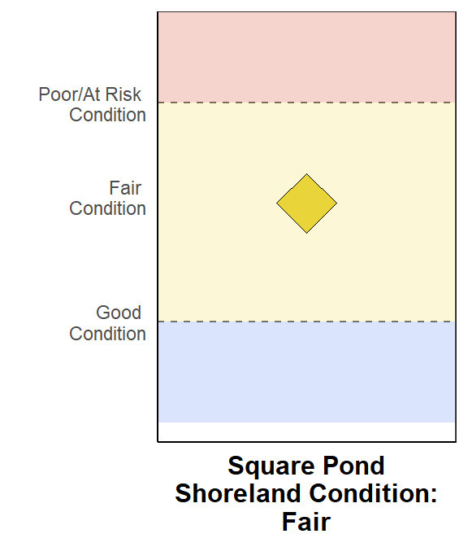
Figure 1: Results of Shoreland Condition assessment. The Diamond represents the percentage of impervious surface area in the shoreland area around Square Pond in relation to all Maine lakes.

+−
Square Pond
500 meter (0.3 mi) Shoreland Area

Impervious Surfaces
Shoreland Impervious Area: 4.72%
Leaflet | © OpenStreetMap, ODbL
Figure 2: Map showing impervious surfaces in the 500 m (0.3 mi) shoreland area around Square Pond

To learn more about how Shoreland Condition data are collected and analyzed, click here.

Littoral Habitat Results
The results of Littoral (shallow water) Habitat assessments for Square Pond are presented below. Figure 3 shows the results of the overall habitat assessment based on field surveys, which places Square Pond in the Diminished category. These surveys are detailed in the Littoral Habitat section. Figure 4 shows the results of the individual metric values from Square Pond that were used to calculate littoral habitat condition for 0.267058905155068 lakes.

Figure 4 also shows the values for the Riparian Condition Score, which may be used to determine if the lakeshore is affected by human activity. Some lakes have naturally sparse habitat structure, which can be reflected in low Littoral Habitat Assessment scores in some instances. If a lake has a low Littoral Habitat Assessment scores, but a high Riparian Condition Score (indicating shorelands with minimal disturbance and natural vegetation), the habitat may be naturally sparse. If the lake has a low Littoral Habitat Assessment scores, and also low Riparian Condition Scores (indicating disturbed shorelands), the littoral habitat is likely being affected by human activity on shore.

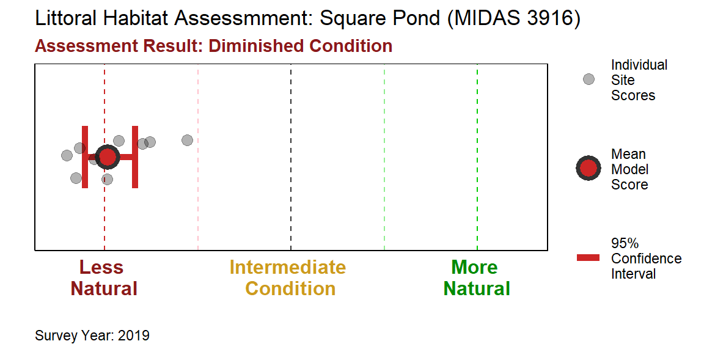 Figure 3: Littoral Habitat Assessment plot for Square Pond. Grey circles represent site scores of the 10 shoreline stations, the large black-outlined circle represents the mean scores for all 10 sites, and the bars represent the 95% confidence interval upon which the final assessment is based. If the lower bound of the confidence interval is above the central Intermediate Condition line, the lake is placed in the Natural category. If the upper bound is below the Intermediate Condition line, the lake is placed in the Diminished category. If the confidence interval passes through the Intermediate Condition line, the lake is categorized as being of Intermediate littoral habitat quality.

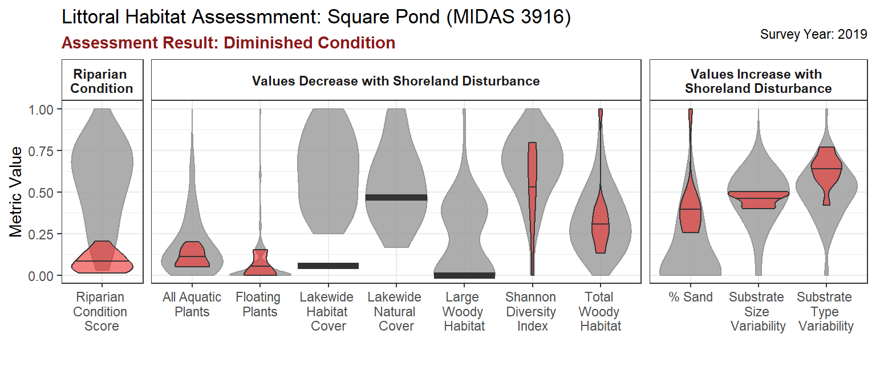 Figure 4: Littoral Habitat Assessment metrics for Square Pond as compared to metric values for all Deep lakes. This is a violin plot, which shows the distribution of metric values across all natural deep lakes, represented by the grey shaded areas behind the outlined, colored violins for Square Pond. The violin areas are wider where the values are more common. For example, if the widest part of the shape is near 0.5, most of the data for that metric occur near 0.5. Metrics with a similar width top to bottom have an even distribution of values from zero to one. Metrics that are measured with the same lake-wide value (i.e., the average score across all 10 sites is applied to each site) are represented in the violins by solid black lines indicating the value for Square Pond. Metrics are grouped by their response to shoreland disturbance. The Riparian Score Condition Score metric is used as an overall indicator of shoreland condition; higher values indicate more natural conditions along the lakeshore (see text above).

To learn more about how Littoral Habitat data are collected and analyzed, click here.

Square Pond Shoreland & Habitat: Total Score

Total score: The Shoreland & Habitat inner quadrant category is scored as an average of scores from the two sub-categories (Good = 1, Fair = 2, Poor/At Risk = 3; Table 7), as long as there is a minimum of one sub-category with data. The calculation for Square Pond is in Table 8.
Table 7: Total Shoreland & Habitat Scores.
Overall Category | Average Score
Assessment | of sub-categories
Good | 1
...
Shoreland Condition Score Calculations
Shoreland disturbance is the conversion of shorelands from natural vegetation to human infrastructure such as buildings, roads, and lawns. These activities have an adverse effect on the water quality and habitat condition of lakes. The amount of shoreland development was calculated here by measuring the percentage of impervious area within 500 meters (0.3 miles) of each lakeshore. Impervious surfaces include areas such as roads, driveways, houses that increase stormwater runoff volume and energy by preventing water from soaking into the ground slowly. The values were then compared for lakes across Maine; lakes with less 1% impervious surfaces in the 500 meter shoreland area were placed in the Good (minimal development) category, lakes with 1-10% impervious shoreland area were placed in the Intermediate development category, and lakes with greater than 10% impervious area were designated as Poor/At Risk. These thresholds were based on patterns observed in trophic conditions (phosphorus concentrations) in Maine lakes at varying levels of impervious shoreland area (Figure 5).

Click here for more information about Shoreland Condition

Impervious surfaces in the 500 m shoreland area of Maine lakes range from 0% to over 60%. However, most measurements for shoreland impervious area are quite low. 19.3 % of Lakes in Maine have no impervious surface at all in their 500 m shoreland area, and 62.1% of lakes have less than 1% impervious surface in this area (Figure 6). Despite these generally low amounts, impervious surface is an important metric for lake health because this particular type of land has an out-sized impact on water quality. When rain falls on impervious surfaces, it cannot soak into the ground and run into our waterways slowly; it runs off the land very fast. Due to this, impervious surface creates 16 times more stormwater runoff than forested land (Thomas, 1995). Impervious surfaces not only increase the amount of stormwater runoff, but these areas often contribute greater amounts of pollutants such nutrients, fertilizers, pesticides, herbicides, and vehicle fluids that accumulate on roads and parking areas. The increased energy of stormwater from impervious surfaces amplifies the erosive forces of runoff, destabilizing shorelands and transporting sediment and nutrients into lakes.
Impervious surfaces are easily picked up by satellite imagery due to their high reflectance. This makes them a good tool for measuring human activity near lakes at the watershed scale. The data used here were high-resolution (1 m, or 3.28 ft) C-CAP impervious cover data, captured in 2020 and 2021 and provided by the National Oceanic and Atmospheric Administration.
For this scorecard analysis, we set the condition category thresholds for impervious cover in the shoreland based on the relationship between impervious shoreland area and trophic condition across all lakes in Maine (Figure 5). The Trophic State Index (TSI) was first developed by Robert Carlson (1977) as a way to compare trophic condition (i.e., nutrient concentration, or biological productivity) across lakes and different trophic measurements. Total phosphorus was used as the trophic measure to calculate TSI here. TSI values can range from zero (extremely low nutrients and very little productivity) to 100 (extremely high nutrients and biological productivity). Change-points in TSI values were identified at 1% and 10% impervious shoreland area and were therefore used here as category threshold values (Figure 5). Maine lakes with less than 1% impervious surface in the shoreland area are generally have low biological productivity (TSI < 30). Lakes between 1% and 10% are most common to the moderately productive category (30 < TSI < 60). Lakes with shoreland impervious surface area greater than 10% are at the high end of the moderately productive category (TSI values close to 60).

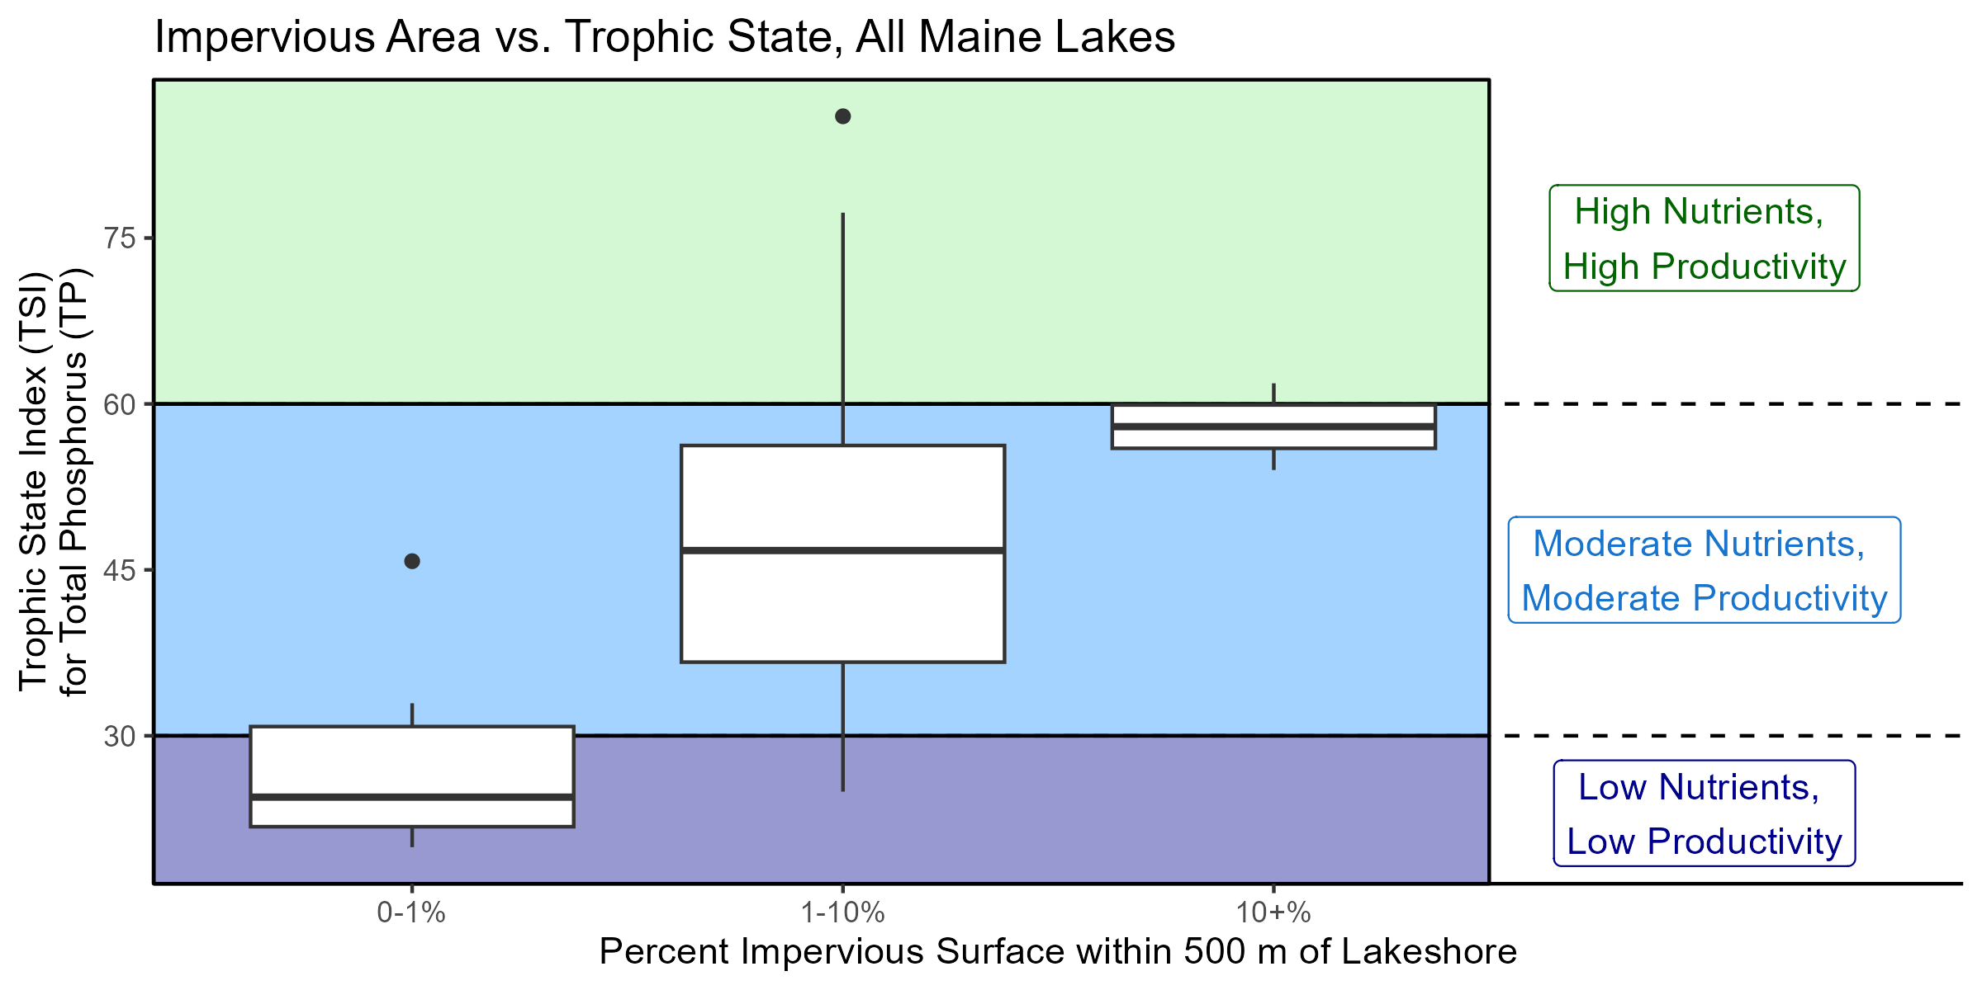
Figure 5: Comparison of Trophic State Index (TSI) values across ranges of impervious surfaces in 500 meter shoreland areas across all Maine lakes, represented with boxplots that display the range of data within each case. The boxplot groupings (0-1%, 1-10%, and 10+%) indicate the thresholds used for Good, Fair, and Poor/At Risk category thresholds for Shoreland Habitat. The horizontal line across the middle of of each boxplot represents the median (center value) of the data, the top and bottom of the box represent the low (25th percentiles) and high (75th percentiles) values of the interquartile ranges, and the lines indicate the range of the data within 1.5 times the interquartile range. Points indicate outlying data points that are are not part of the normal expected distribution of the data.

Any lake that fell below 1% shoreland impervious area was placed in the “Good” category. Lakes that fell bewteen 1% and 10% shoreland impervious area were scored as “Fair”, and lakes with more than 10% impervious shoreland area were placed in the “Poor/At Risk” category. (Table 9).
A high amount of impervious surface in a lake shoreland area may be an indicator that the lake could benefit from a watershed survey and shoreland restoration practices. Grants and technical assistance are available to support such projects.

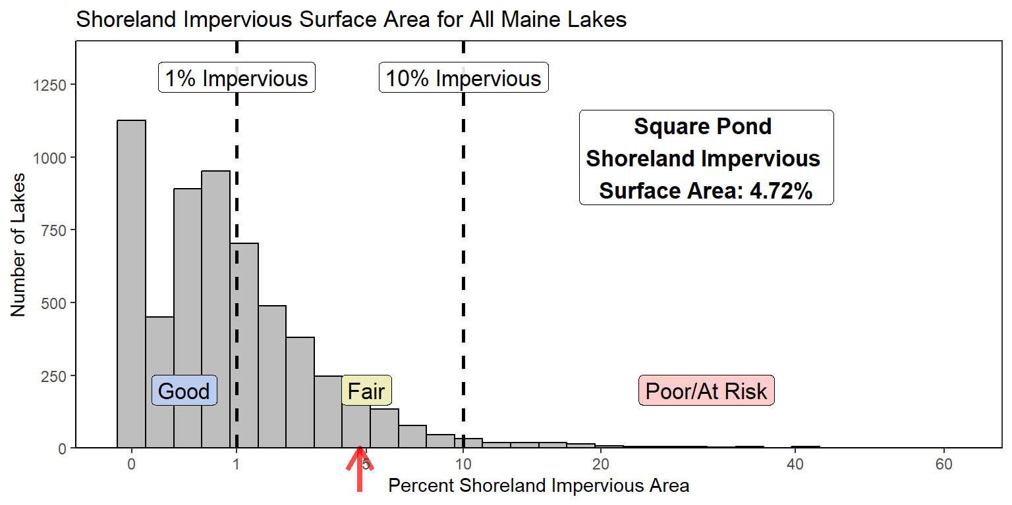
Figure 6: Distribution of percent impervious shoreland area amounts for all Maine lakes. The value for Square Pond is indicated by the red arrow at the bottom of the x-axis. The x-axis has been square-root transformed to better display the data as it skews towards zero.

References Cited:
Carlson, 1977. A Trophic State Index for Lakes. Limnology and Oceanography. 22:361-369.
Thomas, 1995. Environmental Land Planning Series: Site Planning for Urban Stream Protection. Prepared by the Metropolitan Washington Council of Governments and the Center for Watershed Protection, Silver Spring, Maryland.

Table 9: Scoring criteria for the Shoreland Disturbance sub-category.
Shoreland Condition | Assessment | Explanation
Good | Lake has minimal development in the shoreland area | The lake has less shoreland area development than 50% of the lakes in Maine
Fair | Lake has an intermediate level development in the shoreland area | The lake has more shoreland area development than 50% of lakes in Maine, but less than the most developed 25% of lakes
Poor | Lake has a high level of development in the shoreland area | The lake has more shoreland area development than 75% of the lakes in Maine
Unknown | Parameter Unassessed | Not enough data are available to assess the lake for shoreland disturbance

Shoreland Condition results for Square Pond may be seen here.

Littoral Habitat Score Calculations
Littoral habitat refers to the underwater features in the shallow parts of lakes and ponds that provide important cover, feeding areas, and breeding sites for all life found in lakes. Littoral habitat quality is diminished when the shoreland areas of lakes are converted from natural vegetation to human features such as lawns, buildings and roads.
...
Littoral Habitat results for Square Pond may be seen here.
Back to top

Lake Vulnerability
Lake vulnerability relates to how sensitive a lake is to various elements that influence the condition of its water. Sediment chemistry relates to how likely it is that phosphorus is released from the lake sediment; Runoff Pollution relates to elements of the watershed or lake that make the lake more susceptible to the effects of pollutants in stormwater runoff, and the Oxygen score indicates how likely it is that the lake will experience naturally low dissolved oxygen conditions, which may affect fish habitat and internal nutrient cycling.
In all three categories, blue = low vulnerability, yellow = moderate vulnerability, red = high vulnerability to water quality degradation. See the sections below for more information about each of these parameters.
Square Pond Vulnerability: Results
Sediment Chemistry Results
The results from Square Pond suggest that the lake sediment will likely release sediment-bound phosphorus under anoxic (low dissolved oxygen) conditions because neither thresholds of Al:Fe or Al:P for phosphorus retention are exceeded This puts Square Pond in the Poor/At Risk category for Sediment Chemistry.
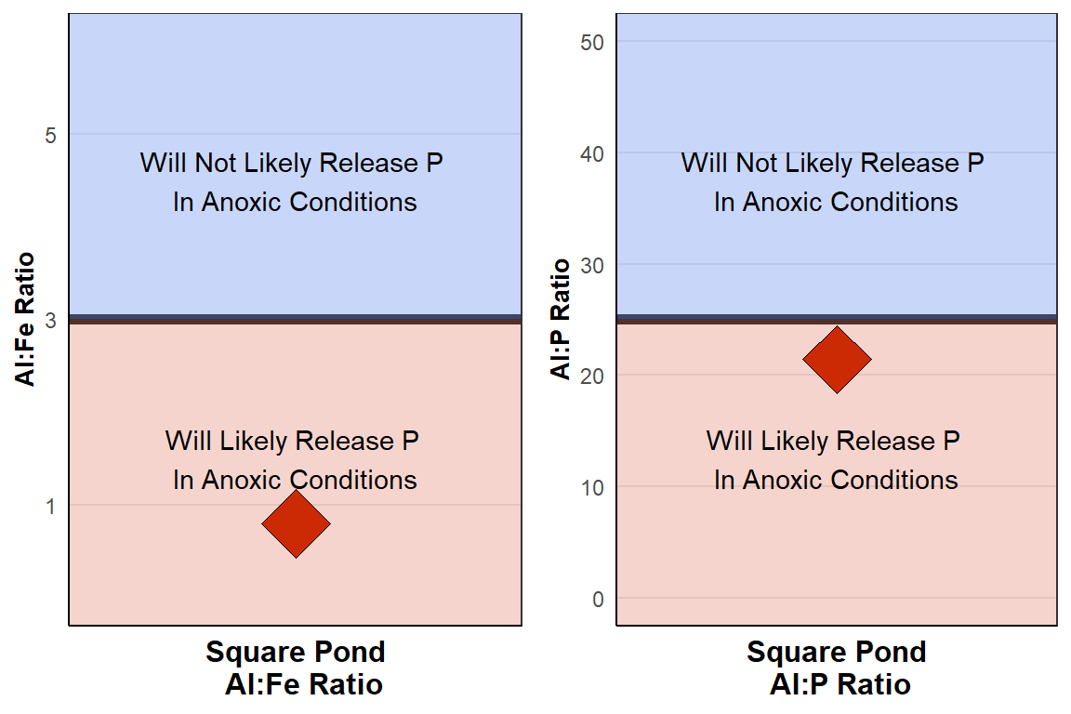
Figure 7: Sediment chemistry results for Square Pond.
To learn more about how Sediment Chemistry data are collected and analyzed, click here.

Runoff Pollution Results
Square Pond has not been identified as especially vulnerable to Runoff Pollution at this time. By default, this places Square Pond in the Good category.
For more information about Nonpoint Source Pollution and Maine lakes, see the DEP Nonpoint Source Pollution webpage.

To learn more about how runoff pollution categories are determined and how they are used, click here.

Oxygen Results
The Oxygen score indicates how likely it is that the lake will experience naturally low dissolved oxygen conditions (anoxia), which may affect fish habitat and internal nutrient cycling. The results of the Oxygen model calculation for Square Pond are below.

As indicated in the plot, the likelihood of anoxic conditions decreases with increasing depth (horizonal x-axis), but simultaneously increases with a larger proportion of the lake underneath the epilimnion (curves going from blue to red).

The plot below shows the data for Square Pond (black diamond) as it relates to the predictive model for all lakes. The position of the diamond in the plot is a function of the maximum depth of the lake (horizontal x-axis) and the area below the epilimnion (the colored curved lines).The restuling vertical position of the diamond translates to the category results used in the Oxygen metric of the Scorecard: probability less than 0.25 (25%) of anoxia is Good, probability over 0.75 (75%) is At Risk, and probability between 0.25 - 0.75 is Fair.

The results below show that Square Pond is in the Poor/At Risk category, meaning that the likelihood of extensive anoxia occurring naturally is elevated, so the lake may be especially vulnerable to cultural factors that influence anoxia.

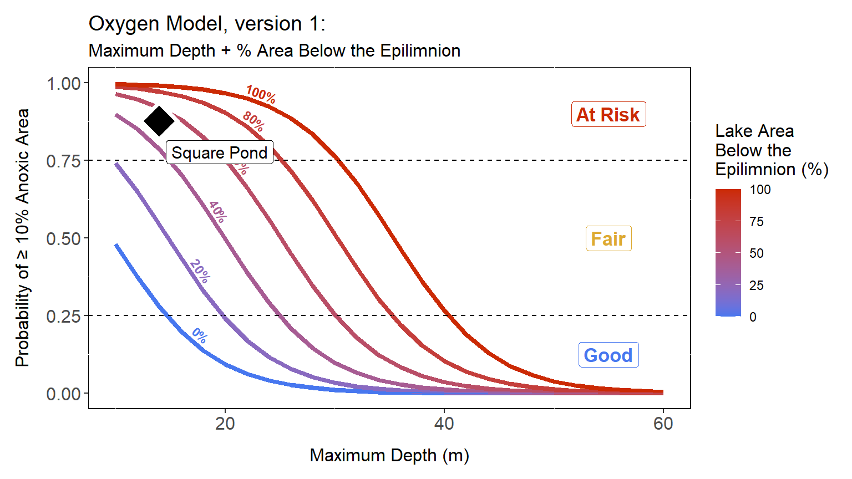
Figure 8: Oxygen loss model results for Square Pond. See text above for a detailed explanation of this figure.
To learn more about how Oxygen modeling data are collected and analyzed, click here.

Square Pond Vulnerability: Total Score
Total score: The Lake Vulnerability inner quadrant category is scored as an average of scores from the three sub-categories (Good = 1, Fair = 2, Poor/At Risk = 3; Table 11), as long as there is a minimum of two sub-categories with data. See the Lake Vulnerability score calculation for Square Pond in Table 12.
Table 11: Total Lake Vulnerability Scores.
Overall Category | Average Score
Assessment | of sub-categories,
 | rounded up
Good | 1
Fair | 2
Poor | 3
Unknown | Not enough data

Square Pond Vulnerability Score Calculation:
Table 12: Calculation for Square Pond Vulnerability metrics.
Parameter | score
...

